Average Time
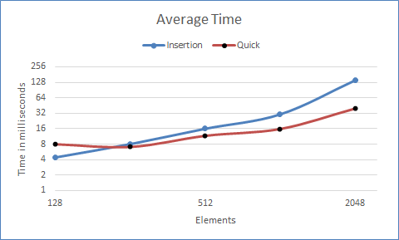
Elements | Insertion Sort | Quick Sort
128 | 4.42004 | 8.0401
256 | 8.04108 | 7.12003
512 | 15.975206667 | 11.673146667
1024 | 30.4203 | 15.84008
2048 | 139.656744 | 39.279668

